Oil_year
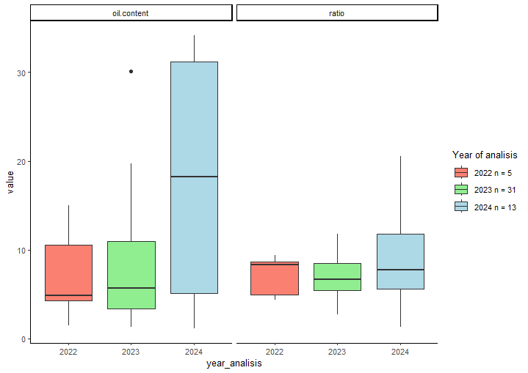
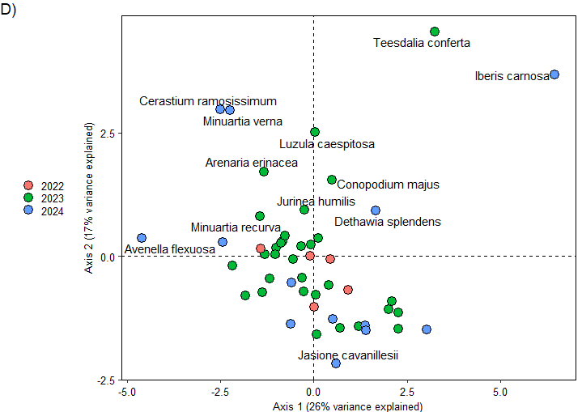
MCMCglmm::MCMCglmm(Loil.content ~ year_analisis , #
random = ~ animal,
family = "gaussian", pedigree = nnls_orig, prior = priors, data = oil_year,
nitt = nite, thin = nthi, burnin = nbur,
verbose = FALSE, saveX = FALSE, saveZ = FALSE, saveXL = FALSE, pr = FALSE, pl = FALSE) -> oil_y

post.mean l-95% CI u-95% CI eff.samp pMCMC
(Intercept) 1.86444 1.10174 2.70683 9000 <1e-04 ***
year_analisis2023 0.04453 -0.57937 0.68351 9149 0.895
year_analisis2024 0.43536 -0.27848 1.14976 8840 0.222

MCMCglmm::MCMCglmm(Lratio ~ year_analisis , #
random = ~ animal,
family = "gaussian", pedigree = nnls_orig, prior = priors, data = oil_year,
nitt = nite, thin = nthi, burnin = nbur,
verbose = FALSE, saveX = FALSE, saveZ = FALSE, saveXL = FALSE, pr = FALSE, pl = FALSE) -> ratio_y

post.mean l-95% CI u-95% CI eff.samp pMCMC
(Intercept) 1.90489 1.42980 2.39488 9000 <1e-04 ***
year_analisis2023 -0.04021 -0.41391 0.33845 9000 0.826
year_analisis2024 -0.10372 -0.52705 0.30940 8528 0.621

Longevity_year
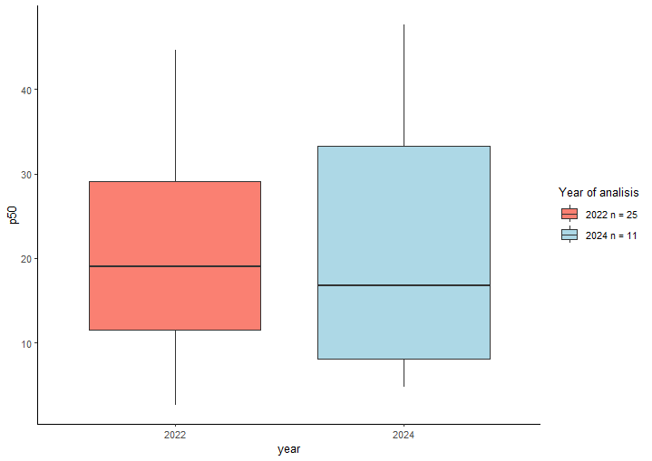
data: genstat all
MCMCglmm::MCMCglmm(p50 ~ year , #
random = ~ animal,
family = "gaussian", pedigree = nnls_orig, prior = priors, data = p50_year,
nitt = nite, thin = nthi, burnin = nbur,
verbose = FALSE, saveX = FALSE, saveZ = FALSE, saveXL = FALSE, pr = FALSE, pl = FALSE) -> p50_y

post.mean l-95% CI u-95% CI eff.samp pMCMC
(Intercept) 19.121 6.817 30.329 9000 0.00467 **
year2024 4.956 -4.916 15.035 9000 0.32622

